Sheet1
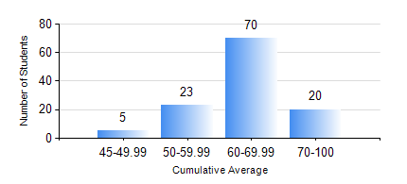
 |  |  | KWAME NKRUMAH UNIVERSITY OF SCIENCE AND TECHNOLOGY, KUMASI Department of Geomatic Engineering

 |  |  | BSC. GEOMATIC ENG.

 |  |  | COMPREHENSIVE RECORD OF EXAMINATION RESULTS

 |  |  | RESULTS OF YEAR 4 SECOND SEMESTER, 2020/2021 ACADEMIC YEAR

 | Sn | Course Code |  | Course Name | Credit Hours | Min. Mark | Max. Mark | Avg. Mark | Std. Dev. | No. Passed | No. Trailed | No. (Df) | No. (I) | No. (I*) | No. Tagged(I,I*,Df) | Total
 | 0. |  |  |  |  |  |  | 0 | 0 | 0 | 0 | 0 | 0 | 0 | 0 | 1
 | 1. | GE 464 |  | DATABASE SYSTEMS | 3 | 43 | 78 | 63 | 6.94 | 117 | 0 | 0 | 0 | 0 | 0 | 117
 | 2. | GE 472 |  | LAND LAW AND REGISTRATION | 3 | 33 | 83 | 64 | 10.85 | 114 | 3 | 0 | 0 | 0 | 0 | 117
 | 3. | GE 474 |  | PRINCIPLES OF VALUATION OF LAND AND BUILDING | 3 | 40 | 84 | 59 | 9.06 | 117 | 0 | 0 | 0 | 0 | 0 | 117
 | 4. | GE 476 |  | PROFESSIONAL STUDIES AND DEVELOPMENT | 3 | 27 | 80 | 57 | 10.45 | 115 | 2 | 0 | 0 | 0 | 0 | 117
 | 5. | GE 492 |  | PROJECT II | 4 | 59 | 89 | 77 | 6.28 | 117 | 0 | 0 | 0 | 0 | 0 | 117

